Checklist
 |  | SUNFIXINGS CHECKLIST
 |  | Flat Roof
 |  | V042018

1 | Language / Sprache / Kieli / Język / Langue / Taal / Jazyk / Nyelv | ENGLISH

2 | Ensure this checklist is completed correctly, as this will affect the Sunfixings Warranty conditions.
3 | Company name
4 | Project name
5 | Full project address
6 | Building height |  | m
7 | Parapet height |  | m
8 | Roof length |  | m
9 | Roof width |  | m
10 | Existing roof angle |  | °
11 | Required solar panel angle |  | °
12 | Solar panel manufacturer
13 | Solar panel type
14 | Number of solar panels
15 | Solar panel power output |  | wp
16 | Solar panel length |  | mm
17 | Solar panel width |  | mm
18 | Solar panel depth |  | mm
19 | Solar panel weight |  | kg
20 | What is the colour of the solar panel frame? | SV
 | BK = | Black
 | SV = | Silver
21 | Solar panel orientation | P

22 | Solar panel azimuth |  | °
23 | Is the solar panel allowed to be clamped to the short side? | Y
 | Y = | Yes
 | N = | No
 | 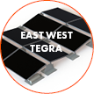 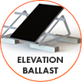 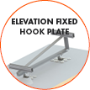 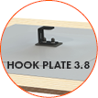 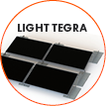 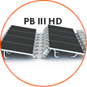
24 | System type
25 | Maximum roof load capacity |  | kg/m2
26 | Will you use Sunfixings' ballast? (Only for Light Tegra, East West Tegra & PB III HD) | Y
 | Y = | Yes
 | N = | No
27 | If no, please write the dimensions of the ballast block you wish to use (length x width x depth) |  | mm
28 | What is the weight of the ballast block you wish to use? |  | kg
29 | Roof layer material A
30 | Roof layer material B
31 | Roof layer material C
 | 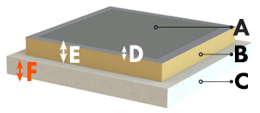
32 | Dimension D |  | mm
33 | Dimension E |  | mm
34 | Dimension F |  | mm
35 | Insulation thickness |  | mm
41 | Comments

42 | Remember to send this checklist, together with the solar panel datasheet and a layout of your solar panel arrangement.
 | © 2018 SUNFIXINGS Limited
 | +44 (0) 1451 824 312 | info@sunfixings.co.uk | www.sunfixings.co.uk
 | R3 Bourton Industrial Park, Bourton on the Water, Cheltenham, Gloucestershire, GL54 2HQ, UK

